segment_overview
Segment Overview

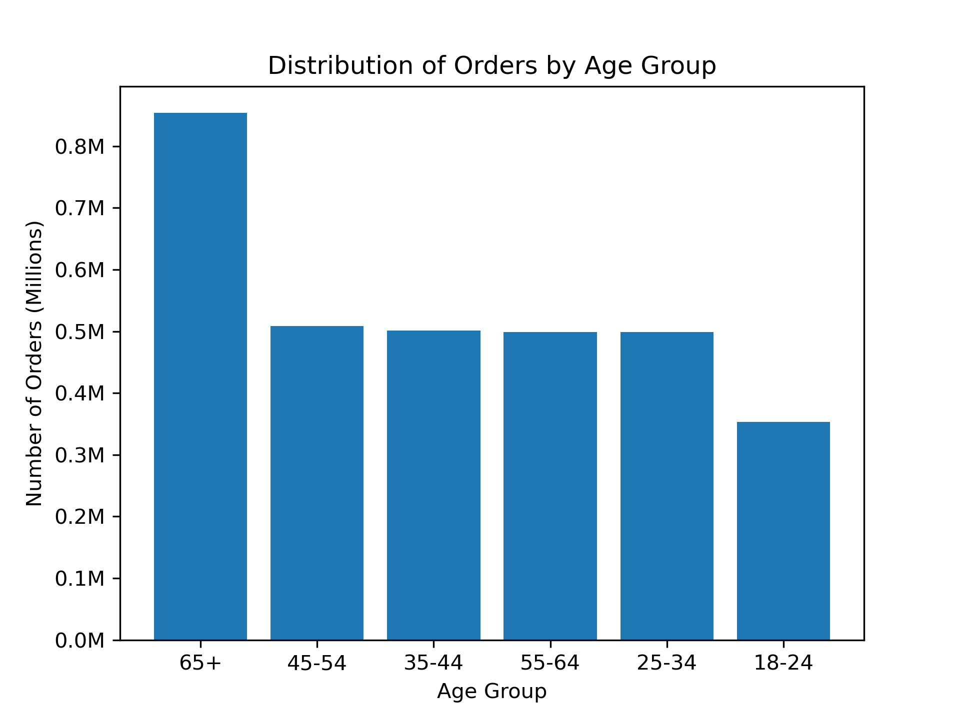
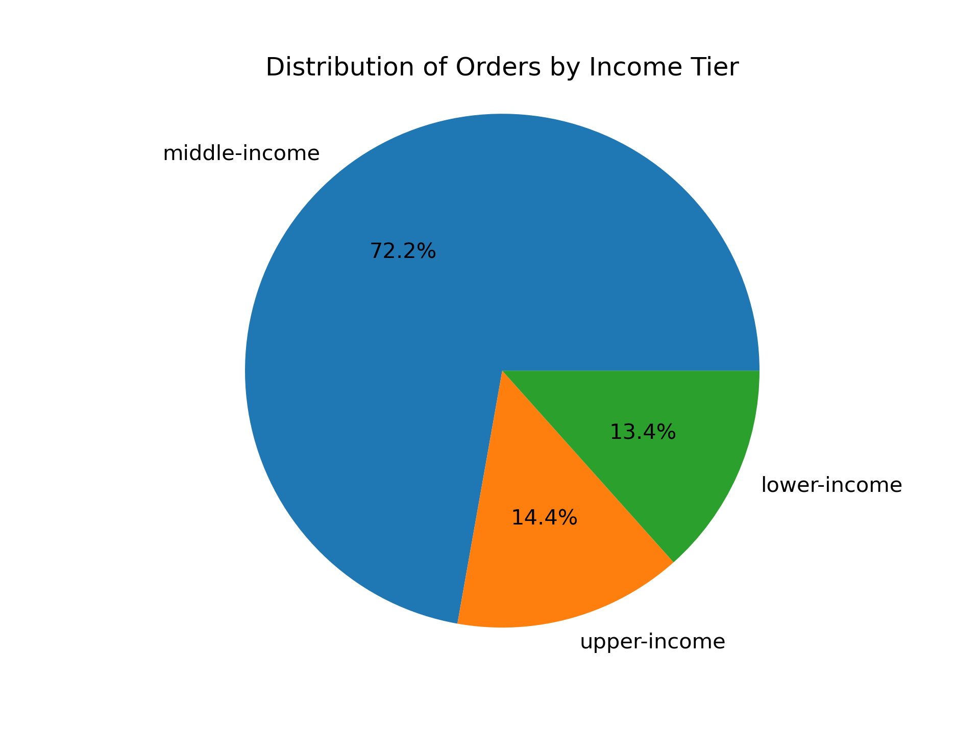

Middle-income customers overwhelmingly account for the majority of orders with 72%.
Customers 65+ years old account for 27% of orders and are the largest age group by order count, customers aged 18-24 account for the least amount of orders at just 11%.

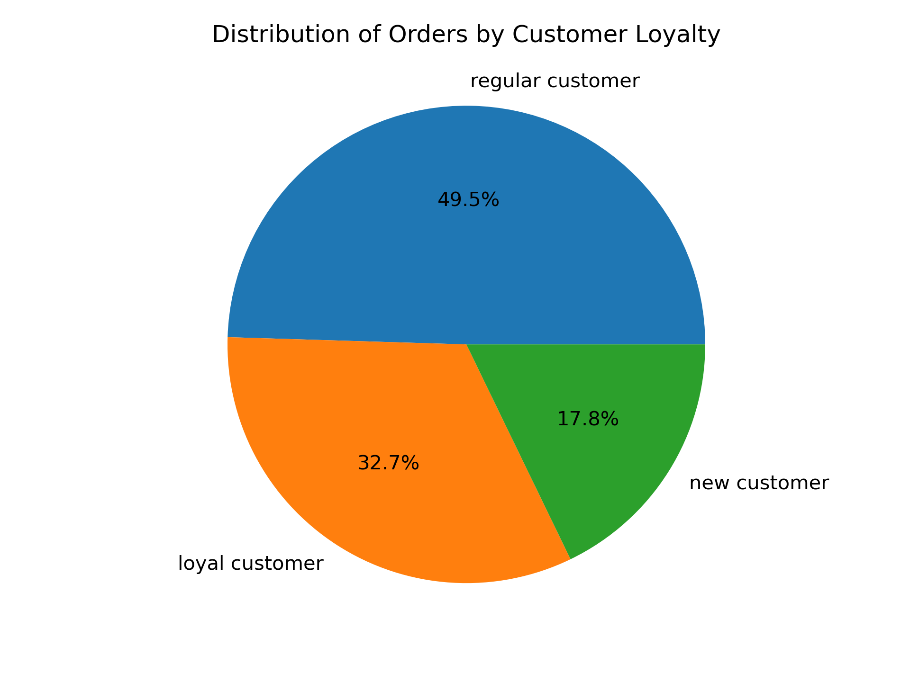
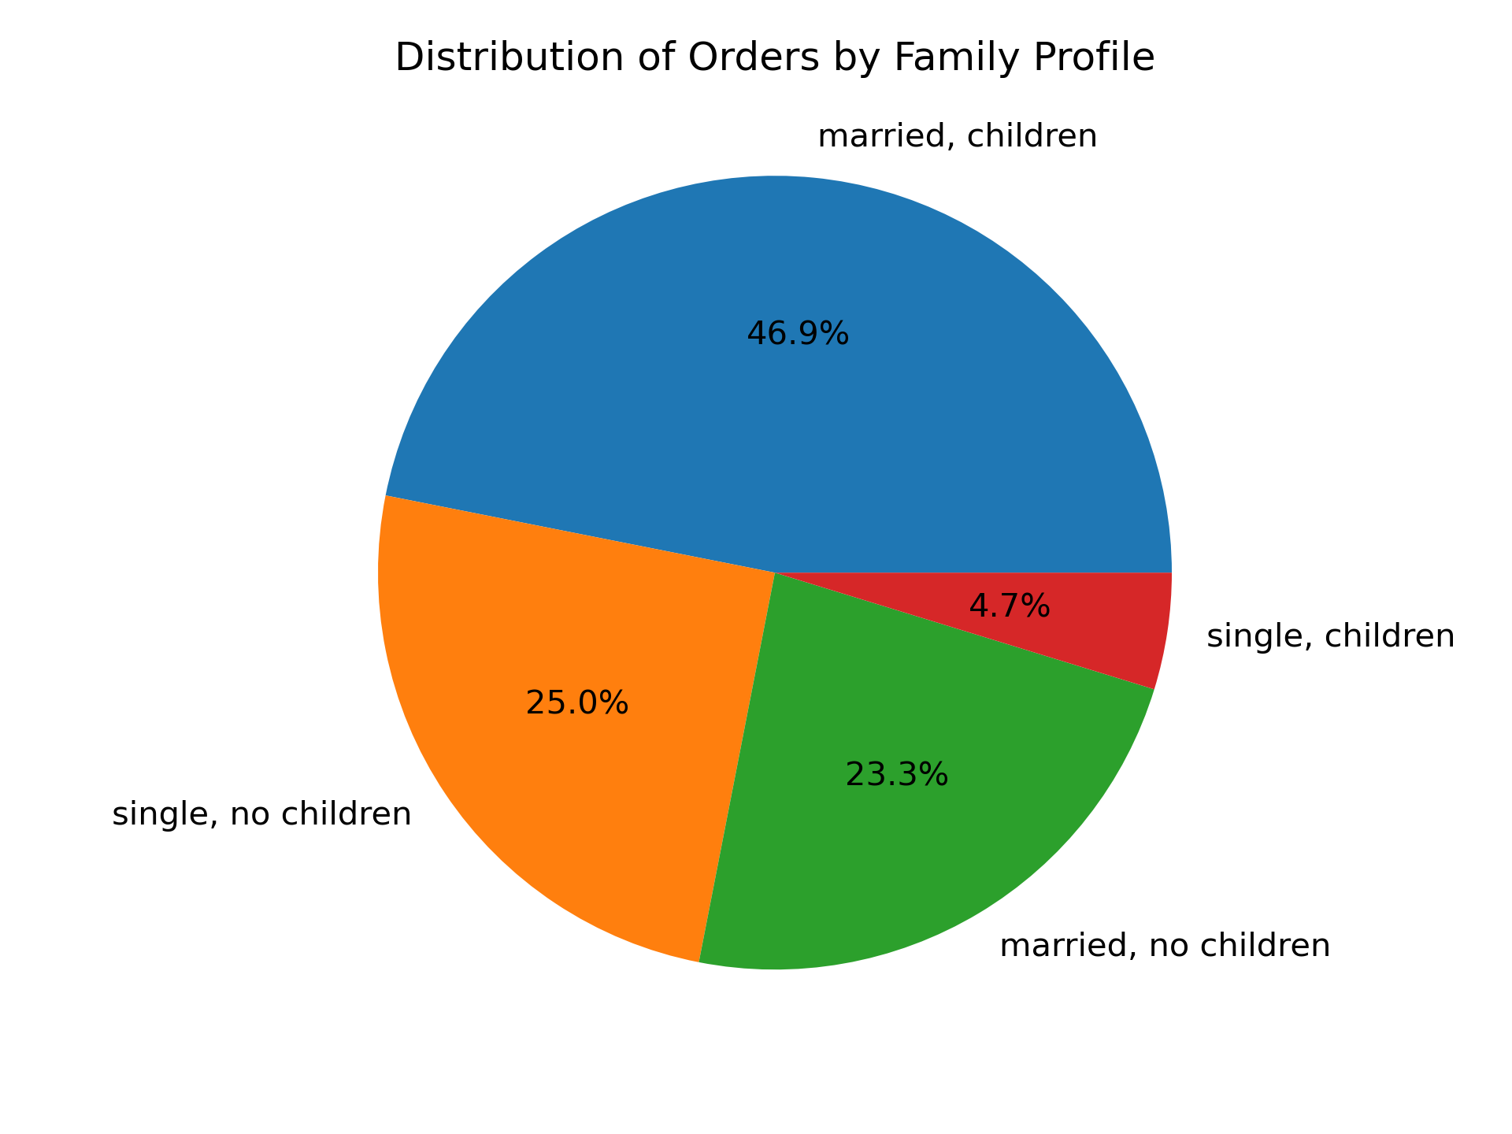

Regular customers acount for the majority of orders with 50%, loyal customers account for 33% and new customers just 18%.
Married customers with children account for 47% of orders, customers without children (married or single) account for similar percentage and make up the 48% of orders. Single customers with children account for just 4.7% of orders.

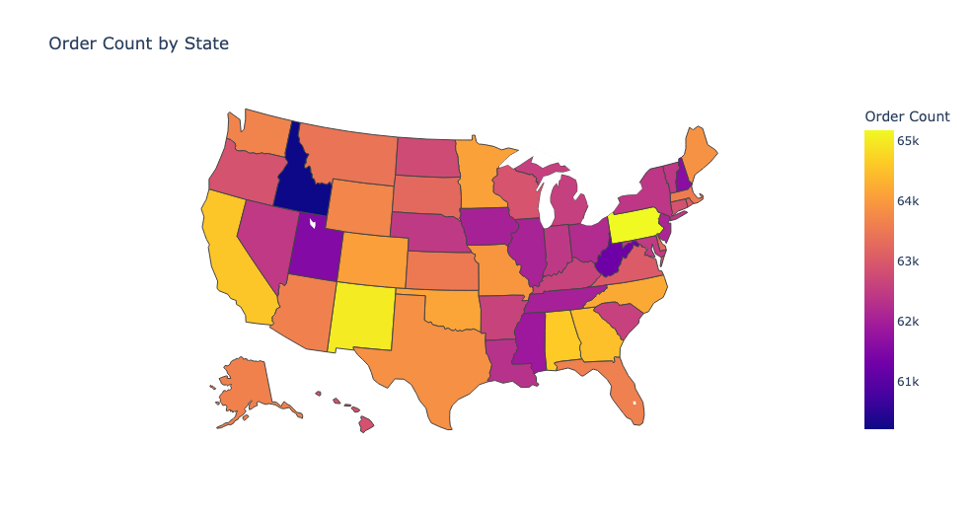
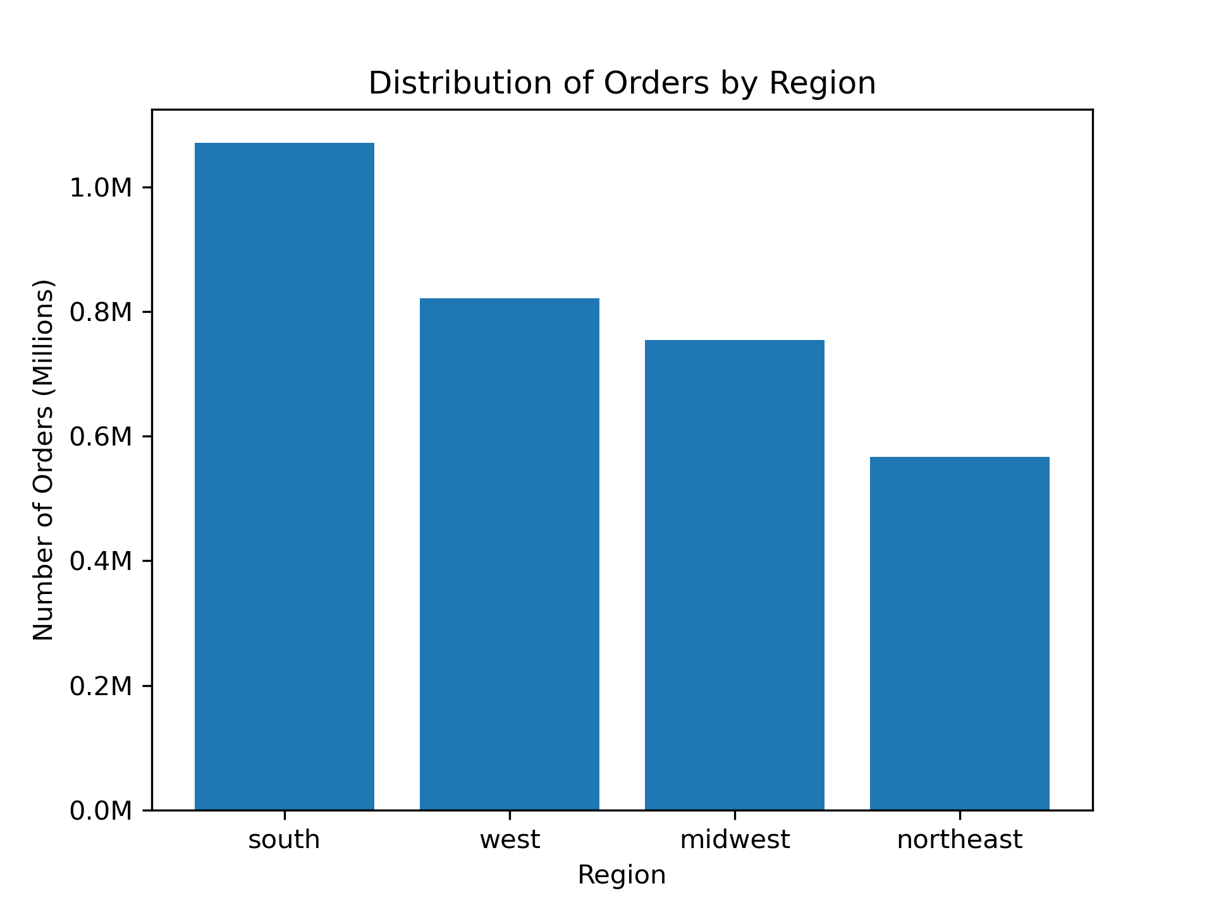

There is a fairly even distribution of orders amongst the different states. There is roughly a 5000 order difference between the state with the most orders (PA) and the state with the least order (ID).

The South accounts for the majority of orders with 33% of orders, the Northeast accounts for the least with just 17% of orders.

basket_composition
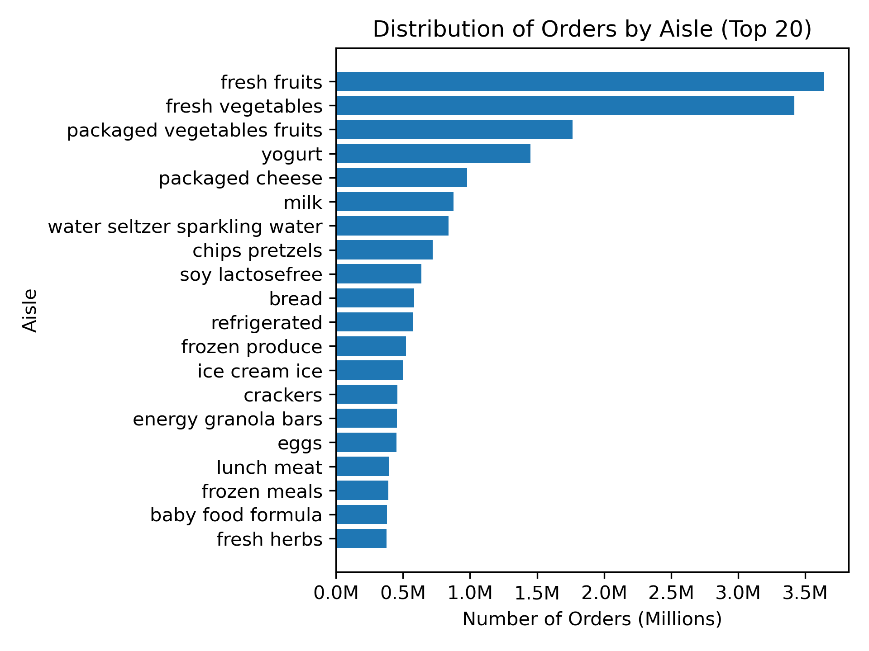
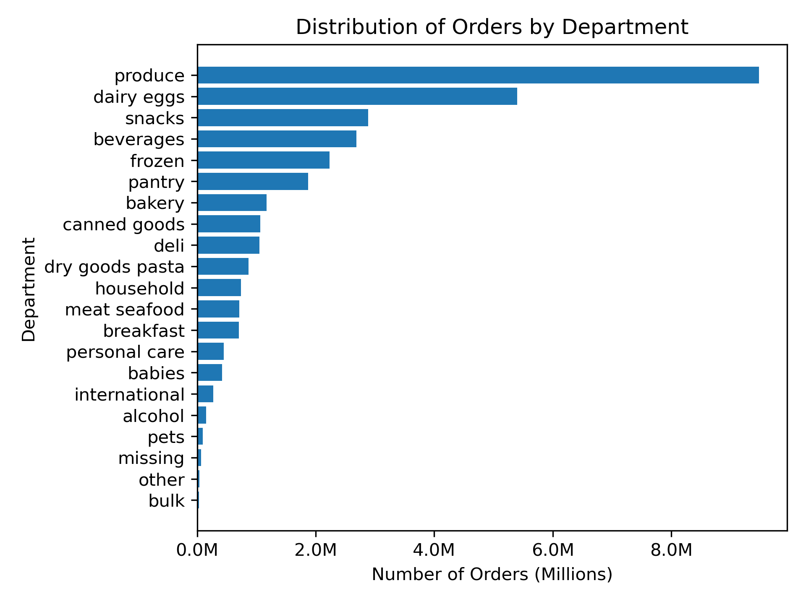
Segment Basket Composition

Segment Basket Composition
 | alcohol | babies | bakery | beverages | breakfast | bulk | canned goods | dairy eggs | deli | dry goods pasta | frozen | household | international | meat seafood | missing | other | pantry | personal care | pets | produce | snacks
lower-income | 0.58% | 0.89% | 3.38% | 11.35% | 2.91% | 0.15% | 2.52% | 16.12% | 3.26% | 1.98% | 6.83% | 2.71% | 0.68% | 2.29% | 0.24% | 0.11% | 5.55% | 1.61% | 0.27% | 26.14% | 10.43%
middle-income | 0.46% | 1.32% | 3.66% | 7.85% | 2.16% | 0.11% | 3.25% | 17.99% | 3.24% | 2.58% | 6.83% | 2.08% | 0.83% | 4.79% | 0.24% | 0.10% | 5.98% | 1.40% | 0.30% | 30.45% | 4.38%
upper-income | 0.61% | 1.32% | 3.75% | 7.94% | 2.20% |  | 3.27% | 18.05% | 3.21% | 2.56% | 6.96% | 2.24% | 0.83% | 4.86% | 0.24% | 0.11% | 6.02% | 1.41% | 0.33% | 29.78% | 4.21%
meat/seafood buyer | 0.36% | 1.40% | 3.73% | 6.97% | 2.05% | 0.10% | 3.38% | 17.59% | 3.23% | 2.72% | 6.85% | 1.92% | 0.85% | 6.15% | 0.23% | 0.09% | 6.02% | 1.27% | 0.30% | 30.49% | 4.31%
non-meat/seafood buyer | 0.90% | 0.95% | 3.42% | 11.69% | 2.78% | 0.15% | 2.63% | 18.54% | 3.25% | 1.96% | 6.83% | 2.85% | 0.74% | 0.00% | 0.26% | 0.13% | 5.73% | 1.85% | 0.32% | 28.45% | 6.58%
18-24 | 0.54% | 1.31% | 3.66% | 8.04% | 2.27% | 0.12% | 3.19% | 17.91% | 3.21% | 2.55% | 6.84% | 2.15% | 0.81% | 4.61% | 0.25% | 0.10% | 5.94% | 1.40% | 0.34% | 29.90% | 4.87%
25-34 | 0.50% | 1.24% | 3.65% | 8.15% | 2.25% | 0.12% | 3.22% | 17.96% | 3.23% | 2.52% | 6.79% | 2.12% | 0.84% | 4.52% | 0.24% | 0.10% | 5.96% | 1.41% | 0.30% | 29.93% | 4.95%
35-44 | 0.47% | 1.34% | 3.64% | 8.06% | 2.21% | 0.12% | 3.19% | 17.86% | 3.27% | 2.52% | 6.81% | 2.19% | 0.82% | 4.55% | 0.23% | 0.10% | 5.91% | 1.42% | 0.30% | 30.15% | 4.86%
45-54 | 0.52% | 1.32% | 3.64% | 8.25% | 2.26% | 0.11% | 3.18% | 17.79% | 3.21% | 2.53% | 6.92% | 2.16% | 0.82% | 4.54% | 0.25% | 0.10% | 5.96% | 1.44% | 0.28% | 29.80% | 4.90%
55-64 | 0.49% | 1.25% | 3.65% | 8.27% | 2.25% | 0.11% | 3.18% | 17.71% | 3.28% | 2.53% | 6.86% | 2.16% | 0.81% | 4.57% | 0.23% | 0.10% | 5.97% | 1.44% | 0.30% | 29.95% | 4.90%
65+ | 0.48% | 1.25% | 3.64% | 8.22% | 2.20% | 0.12% | 3.19% | 17.81% | 3.23% | 2.51% | 6.86% | 2.17% | 0.82% | 4.63% | 0.24% | 0.10% | 5.95% | 1.41% | 0.31% | 30.01% | 4.86%
midwest | 0.50% | 1.27% | 3.64% | 8.12% | 2.22% | 0.12% | 3.19% | 17.81% | 3.24% | 2.54% | 6.84% | 2.19% | 0.82% | 4.56% | 0.24% | 0.10% | 5.98% | 1.43% | 0.30% | 30.04% | 4.86%
northeast | 0.48% | 1.29% | 3.68% | 8.34% | 2.22% | 0.11% | 3.15% | 17.87% | 3.26% | 2.50% | 6.79% | 2.18% | 0.81% | 4.55% | 0.24% | 0.10% | 5.92% | 1.41% | 0.33% | 29.84% | 4.93%
south | 0.50% | 1.31% | 3.63% | 8.21% | 2.24% | 0.11% | 3.20% | 17.80% | 3.23% | 2.51% | 6.89% | 2.14% | 0.82% | 4.57% | 0.24% | 0.10% | 5.93% | 1.43% | 0.29% | 29.99% | 4.86%
west | 0.50% | 1.25% | 3.66% | 8.07% | 2.26% | 0.12% | 3.20% | 17.87% | 3.24% | 2.54% | 6.85% | 2.15% | 0.82% | 4.60% | 0.23% | 0.10% | 5.97% | 1.39% | 0.31% | 29.95% | 4.91%
married, children | 0.49% | 1.30% | 3.63% | 8.19% | 2.22% | 0.11% | 3.20% | 17.77% | 3.23% | 2.53% | 6.87% | 2.18% | 0.81% | 4.61% | 0.24% | 0.10% | 5.95% | 1.41% | 0.30% | 29.96% | 4.90%
married, no cikdren | 0.49% | 1.24% | 3.66% | 8.17% | 2.26% | 0.12% | 3.20% | 17.90% | 3.21% | 2.52% | 6.81% | 2.18% | 0.83% | 4.60% | 0.24% | 0.10% | 5.97% | 1.42% | 0.30% | 29.89% | 4.89%
single, children | 0.61% | 1.29% | 3.67% | 7.92% | 2.30% | 0.12% | 3.18% | 18.01% | 3.25% | 2.54% | 6.90% | 2.15% | 0.81% | 4.57% | 0.25% | 0.11% | 5.98% | 1.40% | 0.37% | 29.74% | 4.84%
single, no children | 0.50% | 1.28% | 3.65% | 8.20% | 2.23% | 0.11% | 3.16% | 17.86% | 3.28% | 2.51% | 6.84% | 2.11% | 0.82% | 4.49% | 0.24% | 0.10% | 5.93% | 1.42% | 0.31% | 30.09% | 4.88%
Income Tiers
- Notably, snacks and beverages account for a larger portion of sales for lower-income customers. Snacks account for 10.43% of sales for lower-income customers and only 4.38% of sales for middle-income consumers and 4.21% for upper-income customers.
- Beverages account for 11.35% of sales for lower-income customers and only 7.85% of sales for middle-income customers and 7.94% for upper-income customers.
- Meat, seafood and produce are also below the averages for lower-income customers; meat/seafood accounts for just 2.29% of sales and produce accounts for just 26% of sales.
Meat-Seafood
- Beverages account for a larger portion of sales for non-meat/seafood buyers. Beverages account for 11.69% of sales for non-meat/seafood buyers and only 6.97% for meat/seafood buyers.
Family Profile
- There is no significant difference in the department composition of orders for the different family profiles.
Age Group
- There is no significant difference in the department composition of orders for the different age groups.
Region
- There is no significant difference in the department composition of orders for the different regions.

segment_basket_price
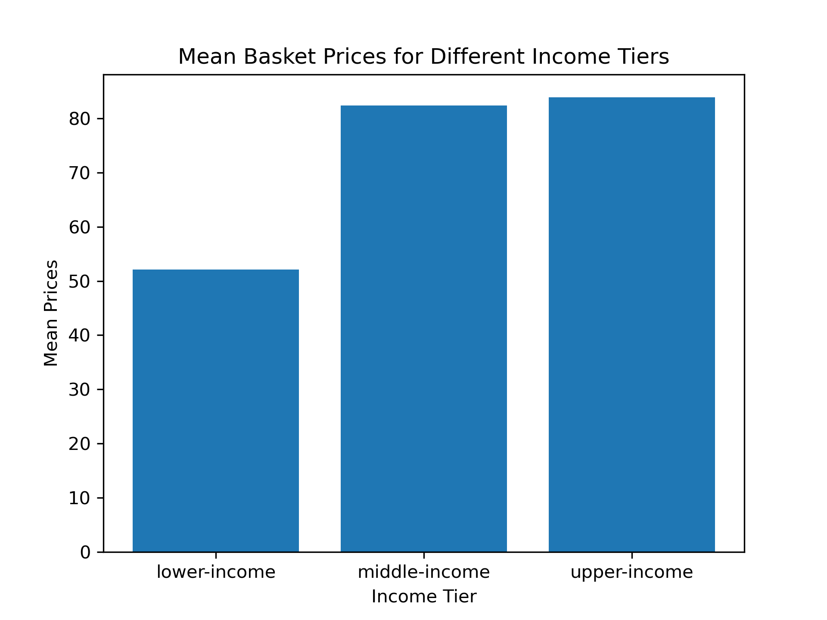

Segment Basket Price Analysis

Income Tiers
- On average, middle and upper income customers spend around 58% more per order than lower income customers. There is no significant difference in the order price between upper and middle income customers.
Basket Prices
 | mean | max | min
lower-income | 52.12 | 875.00 | 1.00
middle-income | 82.38 | 1092.20 | 1.00
upper-income | 83.93 | 1047.40 | 1.00
married, children | 78.59 | 1092.20 | 1.00
married, no children | 78.53 | 852.50 | 1.00
single, children | 79.26 | 750.30 | 1.00
single, no children | 78.35 | 875.00 | 1.00
18-24 | 78.90 | 842.10 | 1.00
25-34 | 78.86 | 718.60 | 1.00
35-44 | 78.72 | 829.20 | 1.00
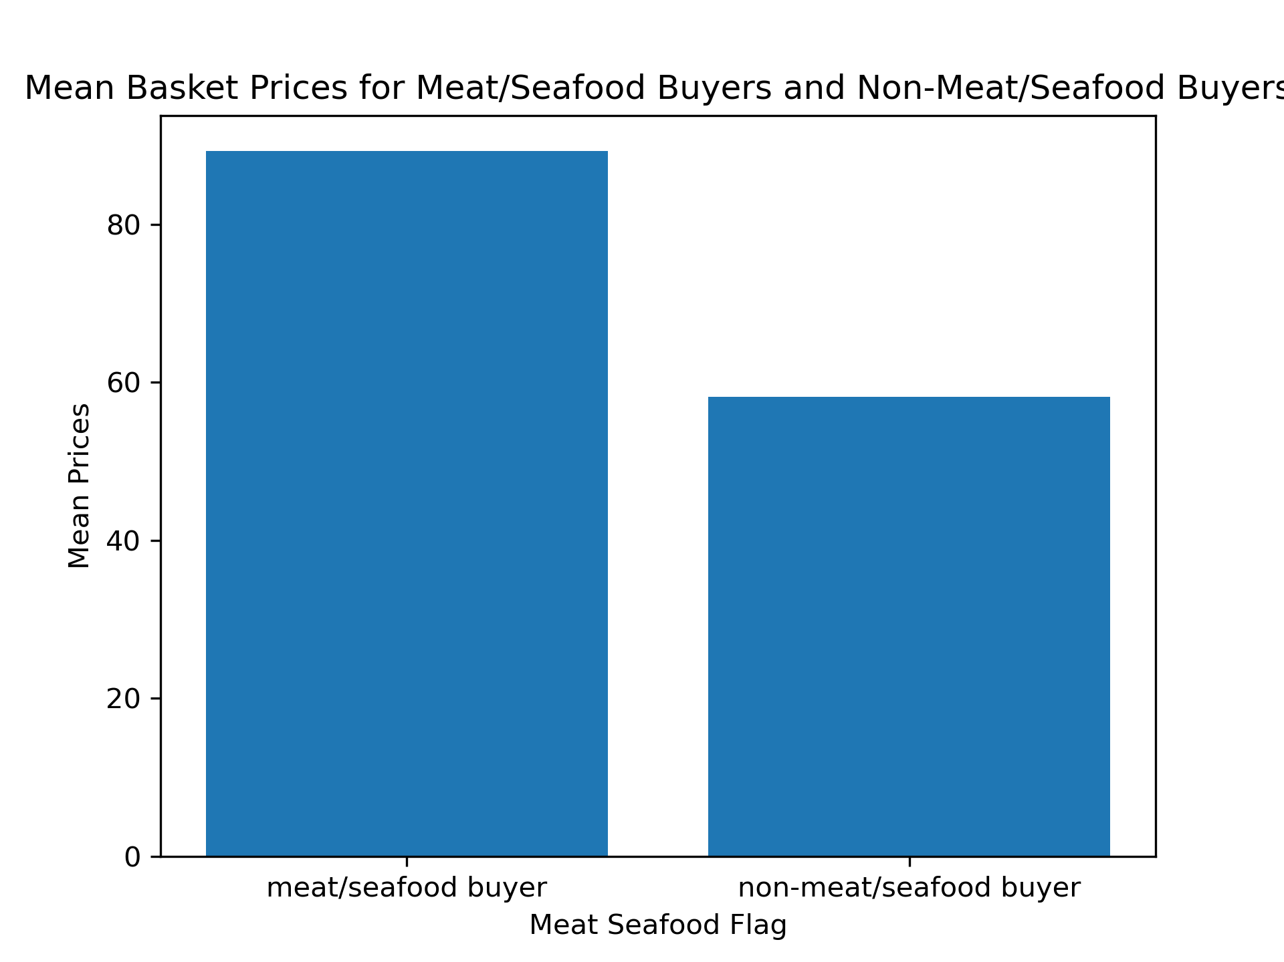
45-54 | 78.33 | 1047.40 | 1.00
55-64 | 78.50 | 1092.20 | 1.00
65+ | 78.27 | 787.00 | 1.00
meat/seafood buyer | 89.30 | 1092.20 | 1.00
Meat/Seafood Flag
- On average, meat/seafood buyers spend 53% more per order than non-meat/seafood buyers.
non-meat/seafood buyer | 58.17 | 775.70 | 1.00
midwest | 78.50 | 751.10 | 1.00
northeast | 78.54 | 1092.20 | 1.00
south | 78.51 | 875.00 | 1.00
west | 78.63 | 852.50 | 1.00
loyal customer | 78.04 | 875.00 | 1.00
new customer | 76.36 | 829.20 | 1.00
regular customer | 79.73 | 1092.20 | 1.00

segment_frequency
Segment Basket Price Analysis

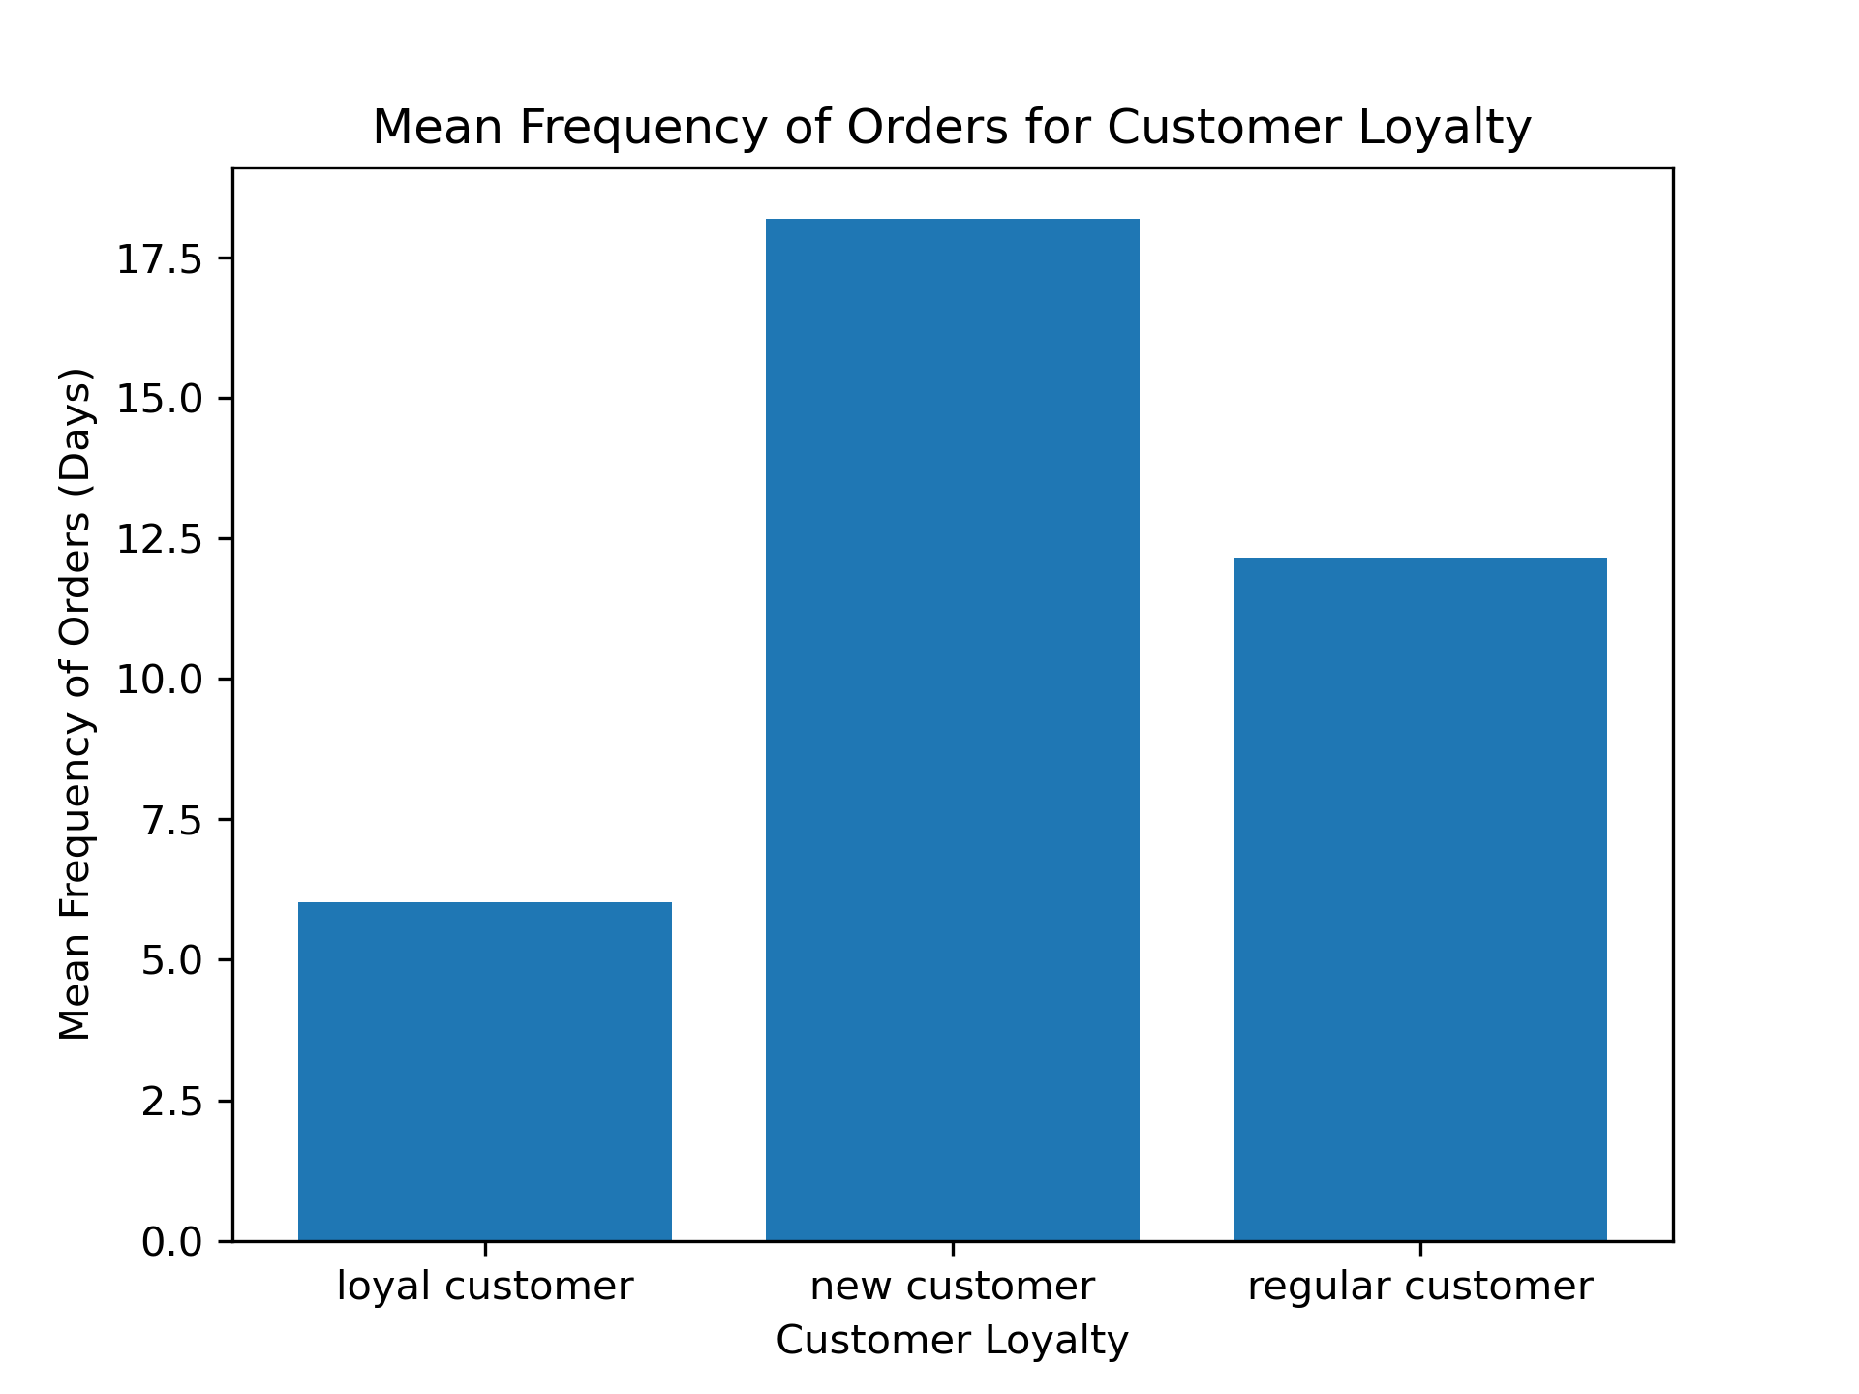
days_since_prior_order
 | mean | max | min
lower-income | 12 | 30.00 | 0.00
middle-income | 11 | 30.00 | 0.00
upper-income | 11 | 30.00 | 0.00
married, children | 11 | 30.00 | 0.00
married, no children | 11 | 30.00 | 0.00
single, children | 11 | 30.00 | 0.00
single, no children | 11 | 30.00 | 0.00
18-24 | 11 | 30.00 | 0.00
25-34 | 11 | 30.00 | 0.00
35-44 | 11 | 30.00 | 0.00
45-54 | 11 | 30.00 | 0.00
55-64 | 11 | 30.00 | 0.00
65+ | 11 | 30.00 | 0.00
meat/seafood buyer | 11 | 30.00 | 0.00
non-meat/seafood buyer | 12 | 30.00 | 0.00
Customer Loyalty
- Loyal customers order every 6 days on average, where as new and regular customers respectivley only order every 18 and every 12 days.
midwest | 11 | 30.00 | 0.00
northeast | 11 | 30.00 | 0.00
south | 11 | 30.00 | 0.00
west | 11 | 30.00 | 0.00
loyal customer | 6 | 30.00 | 0.00
new customer | 18 | 30.00 | 0.00
regular customer | 12 | 30.00 | 0.00

order_times
Order Tim Analysis

0 | 1 | 2 | 3 | 4 | 5 | 6
Saturday | Sunday | Monday | Tuesday | Wednesday | Thursday | Friday
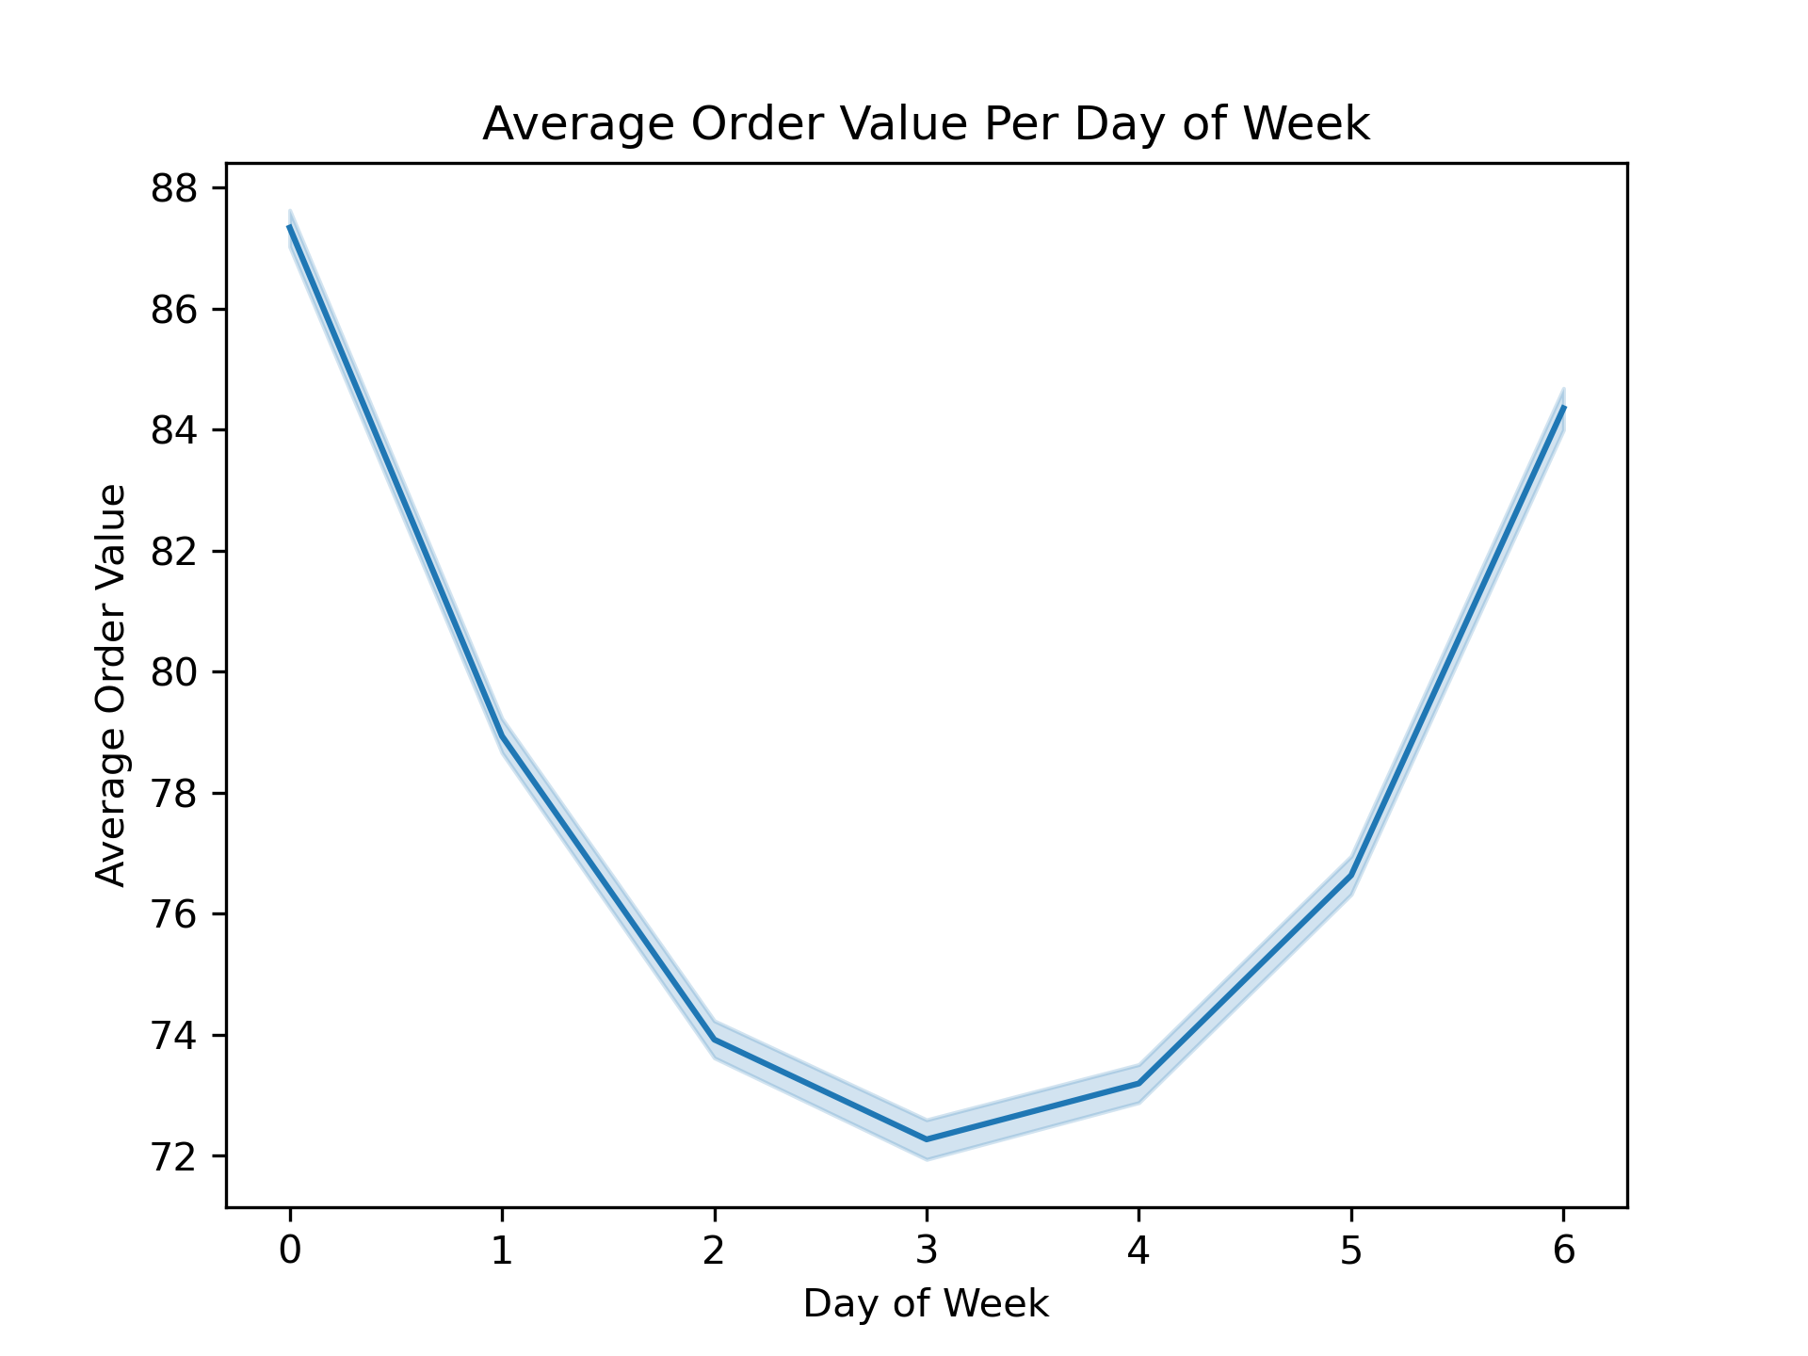
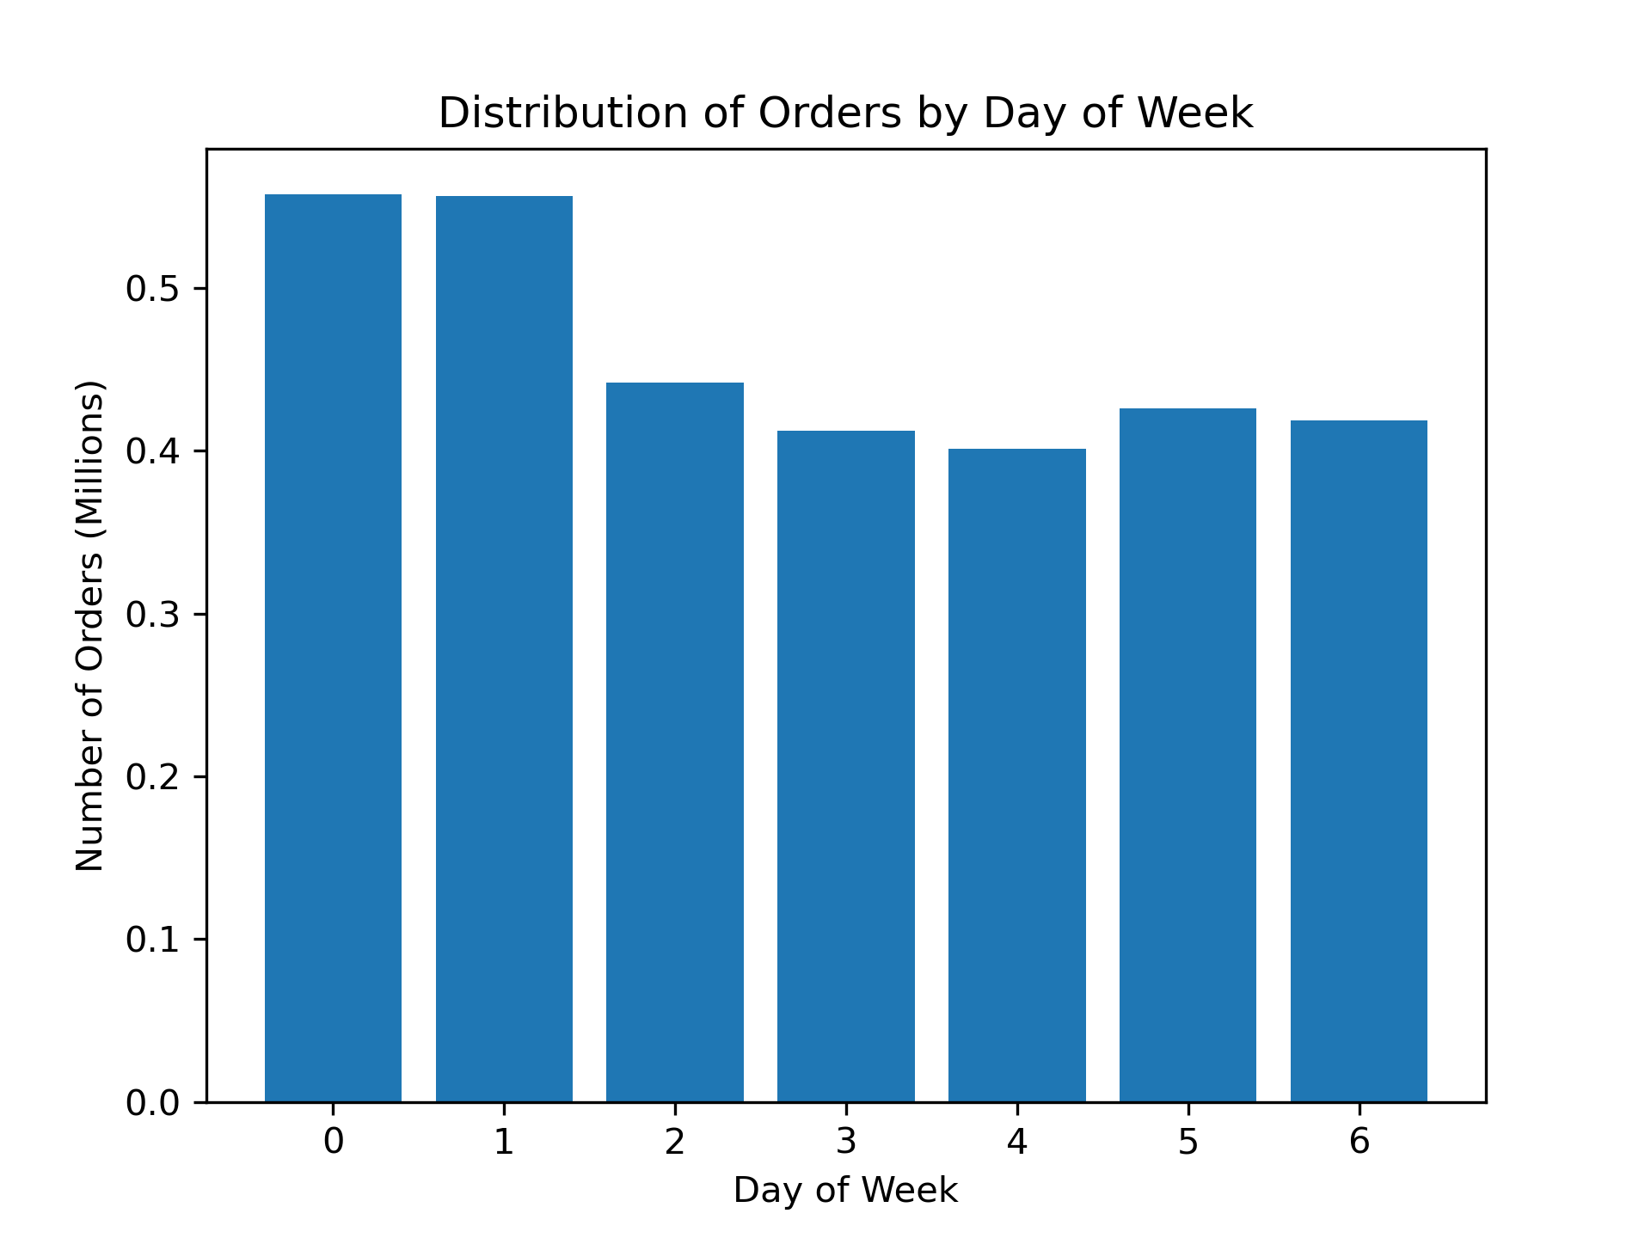

Saturday and Sunday are the two busiest days for orders where as Tuesday and Wednesday are the least busy.
Saturday has the highest average order value, Friday has the second highest and Sunday the the third.


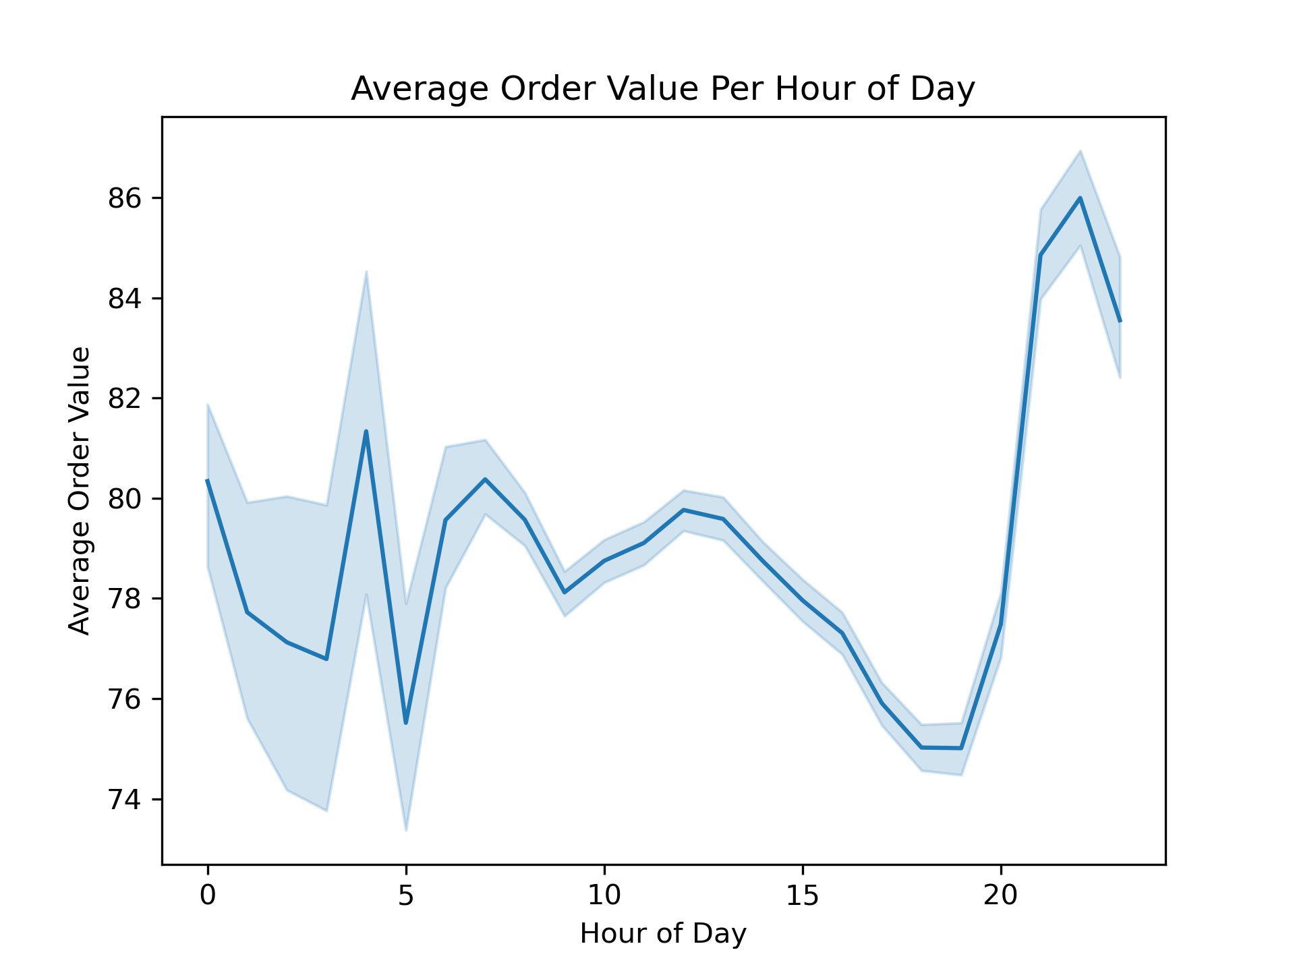

10am-4pm is the busiest time of day for orders, after 4pm the number of orders declines steadiy until 5am.
The variablility in average order value before 7AM is caused by the low amount of orders during that time. The average price per item peaks sharply at 10pm.

